Sheet 1
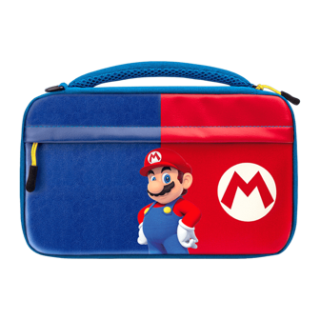
UPC | IMAGE | DESCRIPTION | QTY | RETAIL | TOTAL RETAIL
708056066055 | 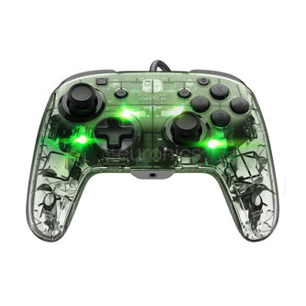 | NSW - PDP AG DLX + WRD CONTR CLICK FOR LINK | 427 | 49.69 | 21217.63
708056069742 | 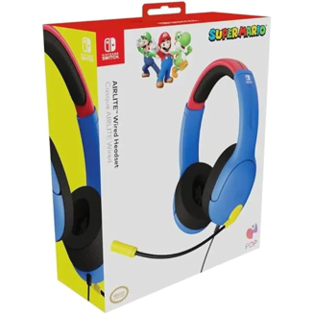 | NSW - PDP AIRLITE WRD STEREO HDST MARIO CLICK FOR LINK | 7535 | 58.88 | 443660.8
708056068387 |  | PDP DELUXE COMMUTER CASE MARIO - NSW CLICK FOR LINK | 7416 | 58.29 | 432278.64
708056068257 | 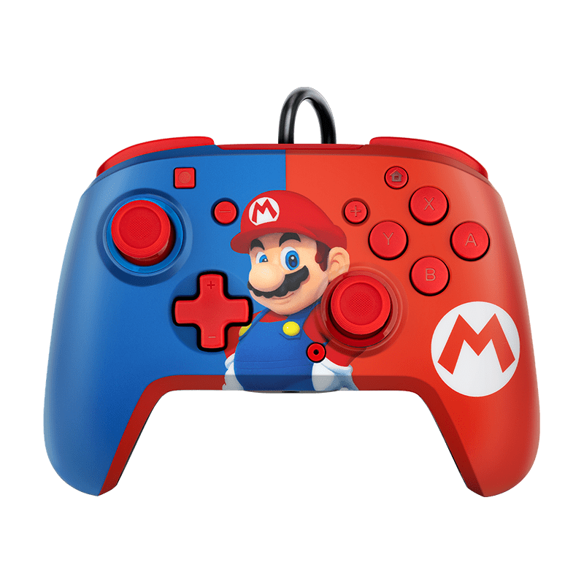 | NSW - PDP FACEOFF DLX WRD CNTRL MARIO CLICK FOR LINK | 7179 | 27.99 | 200940.21
708056067762 | 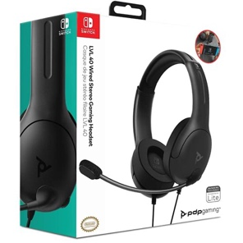 | NSW - PDP L40 WRD STEREO HDST BLACK CLICK FOR LINK | 603 | 86.35 | 52069.05
708056067670 | 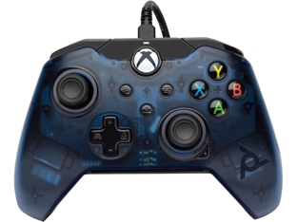 | XSX - PDP WRD CONTR BLUE CLICK FOR LINK | 1601 | 62.99 | 100846.99
 |  | Total Units | 24761 | TOTAL VALUE: | $1,251,013.32

